Screen-impact-age
Row Labels | Count of Impact on Productivity | Sum of Screen Time (in hours)
14 - 18 | 12.28% | 78
18 - 22 | 57.02% | 418
23 - 27 | 13.16% | 104
28 - 33 | 17.54% | 148

Age_screentime_notification
Row Labels | Sum of Screen Time (in hours) | Sum of Notifications Frequency (per day)
14 - 18 | 78 | 649
18 - 22 | 418 | 3796
23 - 27 | 104 | 1026
28 - 33 | 148 | 1465
Grand Total | 748 | 6936

Screen time relevant to Notifications

Age_Interaction_Self_esteem
Row Labels | Sum of Social Interactions (day/ 7) | Sum of Self Esteem (out of 5, 5 being the highest)
14 - 18 | 63 | 13.32%
18 - 22 | 252 | 56.17%
23 - 27 | 51 | 13.80%
28 - 33 | 58 | 16.71%
Grand Total | 424 | 100.00%

Impact of interaction on Self Esteem

Age_Activity_Notification
Sum of Notifications Frequency (per day) | Column Labels
Row Labels | Entertainment | Gaming | Social Media | Studies | Work | Grand Total
14 - 18 | 139 | 80 | 160 | 170 | 100 | 649
18 - 22 | 748 | 179 | 1566 | 668 | 635 | 3796
23 - 27 | 80 |  | 20 | 95 | 831 | 1026
28 - 33 | 100 |  | 290 | 40 | 1035 | 1465
Grand Total | 1067 | 259 | 2036 | 973 | 2601 | 6936
Notifications per day
 | Entertainment | Gaming | Social Media | Studies | Work
14 - 18 | 139 | 80 | 160 | 170 | 100
18 - 22 | 748 | 179 | 1566 | 668 | 635
23 - 27 | 80 |  | 20 | 95 | 831
28 - 33 | 100 |  | 290 | 40 | 1035

Age_Activity_Impact
Count of Impact on Productivity | Column Labels
Row Labels | Entertainment | Gaming | Social Media | Studies | Work | Grand Total
14 - 18 | 4 | 2 | 4 | 3 | 1 | 14
18 - 22 | 11 | 3 | 29 | 13 | 9 | 65
23 - 27 | 1 |  | 1 | 2 | 11 | 15
28 - 33 | 1 |  | 4 | 1 | 14 | 20
Grand Total | 17 | 5 | 38 | 19 | 35 | 114
Mobile usage reference to Impact on Productivity
 | Entertainment | Gaming | Social Media | Studies | Work
14 - 18 | 4 | 2 | 4 | 3 | 1
18 - 22 | 11 | 3 | 29 | 13 | 9
23 - 27 | 1 |  | 1 | 2 | 11
28 - 33 | 1 |  | 4 | 1 | 14

Sheet1
 | Count of Impact on Productivity | Sum of Screen Time (in hours)
14 - 18 | 12.28% | 78
18 - 22 | 57.02% | 418
23 - 27 | 13.16% | 104
28 - 33 | 17.54% | 148
Mobile usage reference to Impact on Productivity
 | Entertainment | Gaming | Social Media | Studies | Work
14 - 18 | 4 | 2 | 4 | 3 | 1
18 - 22 | 11 | 3 | 29 | 13 | 9
23 - 27 | 1 |  | 1 | 2 | 11
28 - 33 | 1 |  | 4 | 1 | 14
Screen time relevant to Notifications
 | Sum of Screen Time (in hours) | Sum of Notifications Frequency (per day)
14 - 18 | 78 | 649
18 - 22 | 418 | 3796
23 - 27 | 104 | 1026
28 - 33 | 148 | 1465
Productivity Analysis Dashboard: Screen Time Insights
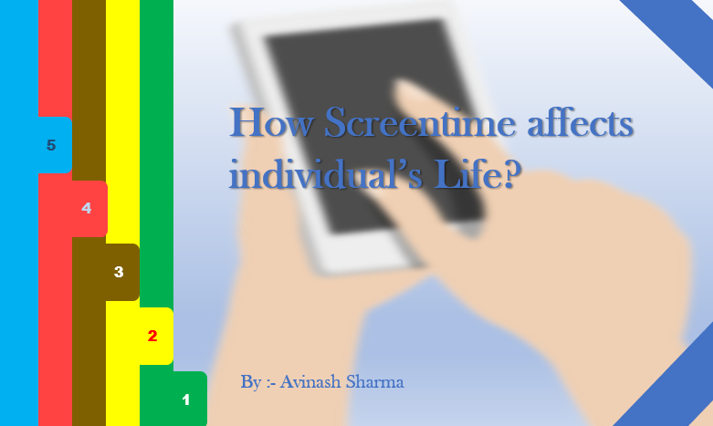

Notifications per day
 | Entertainment | Gaming | Social Media | Studies | Work
14 - 18 | 139 | 80 | 160 | 170 | 100
18 - 22 | 748 | 179 | 1566 | 668 | 635
23 - 27 | 80 |  | 20 | 95 | 831
28 - 33 | 100 |  | 290 | 40 | 1035
Impact of interaction on Self Esteem
 | Sum of Social Interactions (day/ 7) | Sum of Self Esteem (out of 5, 5 being the highest)
14 - 18 | 63 | 13.32%
18 - 22 | 252 | 56.17%
23 - 27 | 51 | 13.80%
28 - 33 | 58 | 16.71%

